Chart


 | Conditional formatting a bar chart |  |  |  |  | Used for formula reference
 |  |  |  |  |  | 5000 | 10000
Allows for multi-dimensional view at a bar chart, where one metric is displayed through the bar height and the other through the bar colour. In this example, the Product Sales are shown by the bar height and the Profit can be seen via their colours. This is achieved by a simple bar chart, which references to the profit group buckets. The groups themselves are created by simple formulae, that check if the Profit is within the conditions in Row 3. If they are, the Sales volume is returned. After that, it is a matter of simply adjusting the Series Overlap and Gap width options in the Bars format menu, as well as choosing an appropriate gradient color palette, in order to make the Chart look better. A step-by-step guide on how to create this chart is available in sheet Instructions. | Products | Sales | Price | Profit | < $5000 | $5000 - $10000 | > $10000
 | Product 1 | 57 | $100.00 | $5,700.00 |  | 57
 | Product 2 | 61 | $80.00 | $4,880.00 | 61
 | Product 3 | 125 | $50.00 | $6,250.00 |  | 125
 | Product 4 | 42 | $320.00 | $13,440.00 |  |  | 42
 | Product 5 | 89 | $80.00 | $7,120.00 |  | 89

Profit vs. Sales
 | < $5000 | $5000 - $10000 | > $10000
Product 1 | 0 | 57 | 0
Product 2 | 61 | 0 | 0
Product 3 | 0 | 125 | 0
Product 4 | 0 | 0 | 42
Product 5 | 0 | 89 | 0

Profit

Instructions
1. Start with your data

Products | Sales | Price | Profit
Product 1 | 57 | $100.00 | $5,700.00
Product 2 | 61 | $80.00 | $4,880.00
Product 3 | 125 | $50.00 | $6,250.00
Product 4 | 42 | $320.00 | $13,440.00
Product 5 | 89 | $80.00 | $7,120.00

2. Format your data as a table
This will allow for the chart to automatically update itself when the data is updated

Products | Sales | Price | Profit
Product 1 | 57 | $100.00 | $5,700.00
Product 2 | 61 | $80.00 | $4,880.00
Product 3 | 125 | $50.00 | $6,250.00
Product 4 | 42 | $320.00 | $13,440.00
Product 5 | 89 | $80.00 | $7,120.00

3. Add the buckets

Products | Sales | Price | Profit | < $5000 | $5000 - $10000 | > $10000
Product 1 | 57 | $100.00 | $5,700.00
Product 2 | 61 | $80.00 | $4,880.00
Product 3 | 125 | $50.00 | $6,250.00
Product 4 | 42 | $320.00 | $13,440.00
Product 5 | 89 | $80.00 | $7,120.00

4. Populate the buckets
The actual number shown in the buckets will be the sales volume. It will be shown in the respective bucket based on the profit.
It is tricky to use the table headers for formulae referencing. This is why we keep the bucket values outside the table.

 |  |  |  |  | 5000 | 10000
Products | Sales | Price | Profit | < $5000 | $5000 - $10000 | > $10000
Product 1 | 57 | $100.00 | $5,700.00 |  | 57
Product 2 | 61 | $80.00 | $4,880.00 | 61
Product 3 | 125 | $50.00 | $6,250.00 |  | 125
Product 4 | 42 | $320.00 | $13,440.00 |  |  | 42
Product 5 | 89 | $80.00 | $7,120.00 |  | 89

5. Create a simple bar chart based on the first two columns of the table

 |  |  |  |  | 5000 | 10000
Products | Sales | Price | Profit | < $5000 | $5000 - $10000 | > $10000
Product 1 | 57 | $100.00 | $5,700.00 |  | 57
Product 2 | 61 | $80.00 | $4,880.00 | 61
Product 3 | 125 | $50.00 | $6,250.00 |  | 125
Product 4 | 42 | $320.00 | $13,440.00 |  |  | 42
Product 5 | 89 | $80.00 | $7,120.00 |  | 89

6. Adjust the Chart's ranges

 | < $5000 | $5000 - $10000 | > $10000
Product 1 | 0 | 57 | 0
Product 2 | 61 | 0 | 0
Product 3 | 0 | 125 | 0
Product 4 | 0 | 0 | 42
Product 5 | 0 | 89 | 0
 |  |  |  |  | 5000 | 10000
Products | Sales | Price | Profit | < $5000 | $5000 - $10000 | > $10000
Product 1 | 57 | $100.00 | $5,700.00 |  | 57
Product 2 | 61 | $80.00 | $4,880.00 | 61
Product 3 | 125 | $50.00 | $6,250.00 |  | 125
Product 4 | 42 | $320.00 | $13,440.00 |  |  | 42
Product 5 | 89 | $80.00 | $7,120.00 |  | 89

7. Format the Chart

7.1. Choose a desired color palette
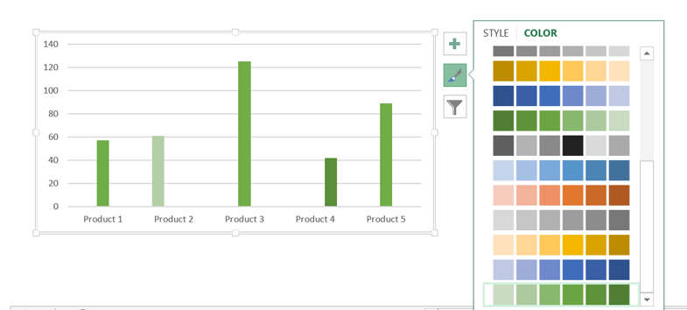

7.2. Double click one of the bars and adjust the Series Overlap and Gap Width

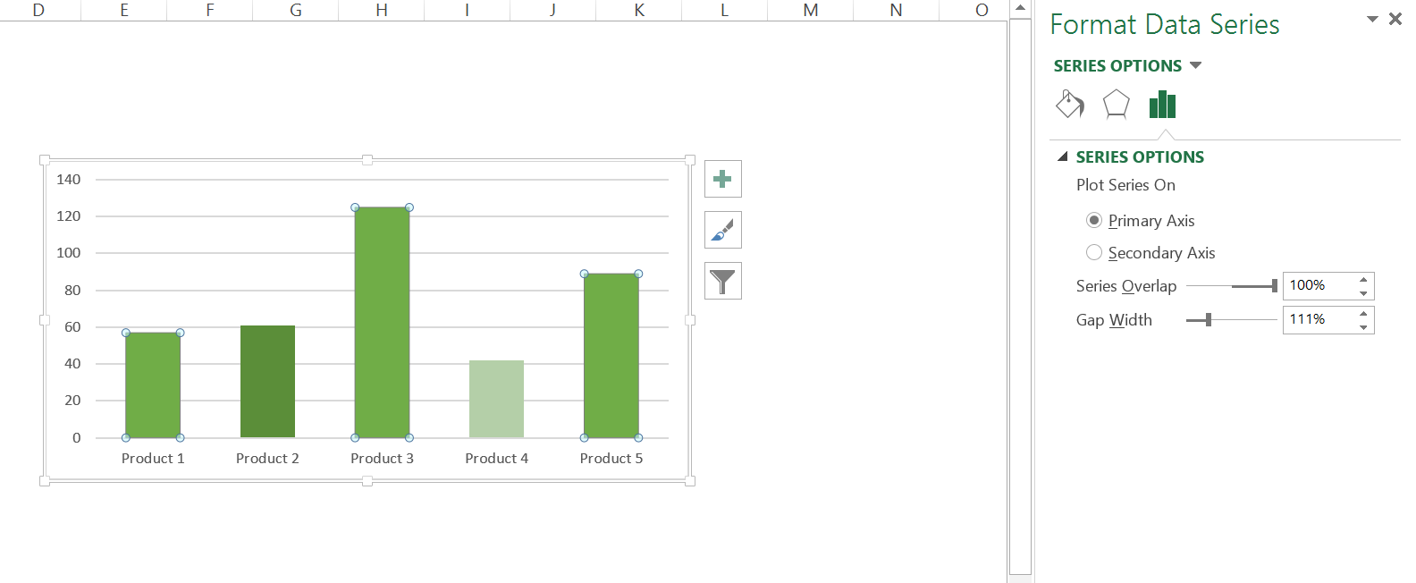

8. Almost there!
Now just add a legend, a title and you are good to go!
Tip. You can use a text box to add a title to the legend
Profit and Sales
 | < $5000 | $5000 - $10000 | > $10000
Product 1 | 0 | 57 | 0
Product 2 | 61 | 0 | 0
Product 3 | 0 | 125 | 0
Product 4 | 0 | 0 | 42
Product 5 | 0 | 89 | 0

Profit

9. Add data labels
Click on the chart and add a new chart element - data labels
In order to remove the zero values, double-click on one of them to open the format data labels menu.
Go to Number, set Category to Custom and add a new Format Code: #""
Click Add
Profit and Sales
 | < $5000 | $5000 - $10000 | > $10000
Product 1 | 0 | 57 | 0
Product 2 | 61 | 0 | 0
Product 3 | 0 | 125 | 0
Product 4 | 0 | 0 | 42
Product 5 | 0 | 89 | 0
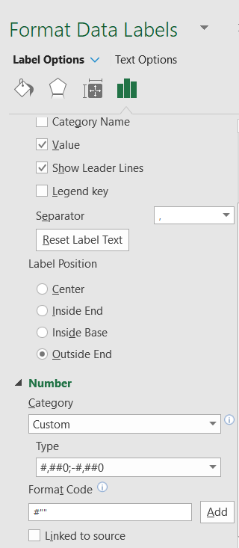

Repeat the process two more times, since we have 3 different data sets

Profit and Sales
 | < $5000 | $5000 - $10000 | > $10000
Product 1 | 0 | 57 | 0
Product 2 | 61 | 0 | 0
Product 3 | 0 | 125 | 0
Product 4 | 0 | 0 | 42
Product 5 | 0 | 89 | 0

Now we can remove the vertical axis and gridlines, to make the chart look clieaner

Profit and Sales
 | < $5000 | $5000 - $10000 | > $10000
Product 1 | 0 | 57 | 0
Product 2 | 61 | 0 | 0
Product 3 | 0 | 125 | 0
Product 4 | 0 | 0 | 42
Product 5 | 0 | 89 | 0

10. This is it!
Now we have a dynamic bar chart, which changes the color of the bars, based on a condition, in this case profit level.

